MotorSizing
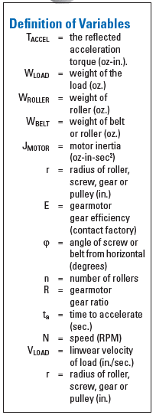
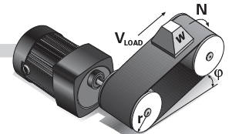
A | Speed
 | V_load | 1 | in/sec
 | r | 2 | in

 | N | 4.775 | RPM

B | T_Accel
 | W_load | 175 | oz
 | W_roller | 0 | oz
 | W_belt | 110 | oz
 | J_motor | 0 | oz-in-sec^2
 | R
 | E
 | V_load | 1
 | n |  | rollers
 | t_a | 1 | sec

 | T_Accel | 0.9067357513 | oz-in

C | T_Friction
 | T_Friction | 100 | oz-in

D | T_Breakaway
 | T_Friction | 120 | oz-in

E | T_Gravity
 | T_Gravity | 0

F | T_Cont and HP_Cont

